Simple linear regression
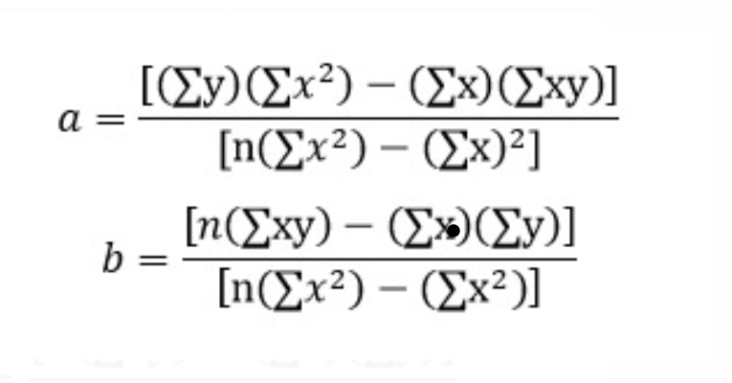
 | X | Y | X2 | X*Y
 | SAT | GPA
 | 1714 | 2.4 | 2937796 | 4113.6
 | 1664 | 2.52 | 2768896 | 4193.28
 | 1760 | 2.54 | 3097600 | 4470.4
 | 1685 | 2.74 | 2839225 | 4616.9 |  | 279.74 | * | 286929889 | - | 155003 | * | 517698.46
 | 1693 | 2.83 | 2866249 | 4791.19
 | 1670 | 2.91 | 2788900 | 4859.7 |  | 84 | * | 286929889 | - | 24025930009
 | 1764 | 3 | 3111696 | 5292
 | 1764 | 3 | 3111696 | 5292
 | 1792 | 3.01 | 3211264 | 5393.92 | a = | 0.27504029966
 | 1850 | 3.01 | 3422500 | 5568.5
 | 1735 | 3.02 | 3010225 | 5239.7
 | 1775 | 3.07 | 3150625 | 5449.25 |  | 84 | * | 517698.46 | - | 155003 | * | 279.74
 | 1735 | 3.08 | 3010225 | 5343.8 |  | 84 | * | 286929889 | - | 24025930009
 | 1712 | 3.08 | 2930944 | 5272.96
 | 1773 | 3.12 | 3143529 | 5531.76
 | 1872 | 3.17 | 3504384 | 5934.24 | b= | 0.0016556880501
 | 1755 | 3.17 | 3080025 | 5563.35
 | 1674 | 3.17 | 2802276 | 5306.58 |  |  | Regression formula | 0.0016556880501
 | 1842 | 3.17 | 3392964 | 5839.14
 | 1786 | 3.19 | 3189796 | 5697.34 |  |  | a (y-intercept) | 0.27504029966
 | 1761 | 3.19 | 3101121 | 5617.59
 | 1722 | 3.19 | 2965284 | 5493.18 |  |  | b (slope of a regression line) | 0.0016556880501 |  |  |  |  | b = m
 | 1663 | 3.2 | 2765569 | 5321.6 |  |  |  |  |  |  |  |  | a = c
 | 1687 | 3.21 | 2845969 | 5415.27 |  |  | Correlation coefficient | 0.63718436484
 | 1974 | 3.24 | 3896676 | 6395.76
 | 1826 | 3.28 | 3334276 | 5989.28
 | 1787 | 3.28 | 3193369 | 5861.36
 | 1821 | 3.28 | 3316041 | 5972.88
 | 2020 | 3.28 | 4080400 | 6625.6
 | 1794 | 3.28 | 3218436 | 5884.32
 | 1769 | 3.28 | 3129361 | 5802.32
 | 1934 | 3.28 | 3740356 | 6343.52
 | 1775 | 3.29 | 3150625 | 5839.75
 | 1855 | 3.29 | 3441025 | 6102.95
 | 1880 | 3.29 | 3534400 | 6185.2
 | 1849 | 3.31 | 3418801 | 6120.19
 | 1808 | 3.32 | 3268864 | 6002.56
 | 1954 | 3.34 | 3818116 | 6526.36
 | 1777 | 3.37 | 3157729 | 5988.49
 | 1831 | 3.37 | 3352561 | 6170.47
 | 1865 | 3.37 | 3478225 | 6285.05
 | 1850 | 3.38 | 3422500 | 6253
 | 1966 | 3.38 | 3865156 | 6645.08
 | 1702 | 3.39 | 2896804 | 5769.78
 | 1990 | 3.39 | 3960100 | 6746.1
 | 1925 | 3.4 | 3705625 | 6545
 | 1824 | 3.4 | 3326976 | 6201.6
 | 1956 | 3.4 | 3825936 | 6650.4
 | 1857 | 3.41 | 3448449 | 6332.37
 | 1979 | 3.41 | 3916441 | 6748.39
 | 1802 | 3.41 | 3247204 | 6144.82
 | 1855 | 3.42 | 3441025 | 6344.1
 | 1907 | 3.42 | 3636649 | 6521.94
 | 1634 | 3.42 | 2669956 | 5588.28
 | 1879 | 3.44 | 3530641 | 6463.76
 | 1887 | 3.47 | 3560769 | 6547.89
 | 1730 | 3.47 | 2992900 | 6003.1
 | 1953 | 3.47 | 3814209 | 6776.91
 | 1781 | 3.47 | 3171961 | 6180.07
 | 1891 | 3.48 | 3575881 | 6580.68
 | 1964 | 3.49 | 3857296 | 6854.36
 | 1808 | 3.49 | 3268864 | 6309.92
 | 1893 | 3.5 | 3583449 | 6625.5
 | 2041 | 3.51 | 4165681 | 7163.91
 | 1893 | 3.51 | 3583449 | 6644.43
 | 1832 | 3.52 | 3356224 | 6448.64
 | 1850 | 3.52 | 3422500 | 6512
 | 1934 | 3.54 | 3740356 | 6846.36
 | 1861 | 3.58 | 3463321 | 6662.38
 | 1931 | 3.58 | 3728761 | 6912.98
 | 1933 | 3.59 | 3736489 | 6939.47
 | 1778 | 3.59 | 3161284 | 6383.02
 | 1975 | 3.6 | 3900625 | 7110
 | 1934 | 3.6 | 3740356 | 6962.4
 | 2021 | 3.61 | 4084441 | 7295.81
 | 2015 | 3.62 | 4060225 | 7294.3
 | 1997 | 3.64 | 3988009 | 7269.08
 | 2020 | 3.65 | 4080400 | 7373
 | 1843 | 3.71 | 3396649 | 6837.53
 | 1936 | 3.71 | 3748096 | 7182.56
 | 1810 | 3.71 | 3276100 | 6715.1
 | 1987 | 3.73 | 3948169 | 7411.51
 | 1962 | 3.76 | 3849444 | 7377.12
 | 2050 | 3.81 | 4202500 | 7810.5
SUM | 155003 | 279.74 | 286929889 | 517698.46 | 0 | 532.01669599 | 0 | 861307366.38 | 0

(SUM X)2 | 24025930009

n | 84

